Sub line
Line | TTUS |  | Line |  |  | Line | TG-S | G3-TH-S => G3-SEAT-1
TUS03-I | 72105-X1412 | MNL-RH | TTUS |  |  |  | TH-S1 | HANDEL SUPPORT SUB ASSY RH | SOB300 | 1
TUS07-I | 72105-X1415 | 6 WAY OUT RH | TTUS |  |  |  |  |  | MIT163 | 2
TUS04-I | 72107-X1417 | MNL LH | TTUS |  |  |  | TH-S2 | HANDEL SUPPORT SUB ASSY LH | SOB299 | 1
TUS08-I | 72105-X1414 | 6 WAY OUT LH | TTUS |  |  |  |  |  | MIT163 | 2
TUS06-I | 72107-X1419 | 6 WAY LH INN | TTUS
TUS01-I | 72107-X1411 | MNL RH INN | TTUS
TUS05-I | 72107-X1421 | 6 WAY RH INN | TTUS
TUS02-I | 72107-X7A07 | MNL LH INN | TTUS

IT-S1 |  | RAIL SUB-ASSY, FR OUTER SEAT TRACK, LWR | ITSL-2 | MNL Line | Press: CTP-27
IT-S2 |  |  | ITSL-2 | MNL Line
IT-S3 |  |  | ITSL-2 | MNL Line
DUM20 | 72101-X7A10 | IPT-87+MIT165 | ITSL-3 | MNL Line

IT1S-3 | 72017-X7A16 | RAIL SUB-ASSY, RR SEAT TRACK, LWR RH | IT1-S

TUS04E | 72107-X1417 |  | ITUS
 |  |  | ITSL-1 | PWR Line | Press: DPF-09
 |  |  | DLR-S | PWR Line

AS07-C | CA8-S7-CAMRY | LWR ARM-SUB FR LINK S/A(BUSH)
AS03-C | CA8-S8-CAMRY | LWR ARM-SUB RR LINK S/A RH OUT

DUM22 | 72106-X7A07 | RAIL SUB-ASSY, RR SEAT TRACK, UPR LH
DUM1 | 71103-X1V21 | FRAME SUB-ASSY, FR SEAT BACK MAIN, RH
DUM5 | 72010-X1446 | ADJUSTER ASSY, FR SEAT, RH

 | 72056-X1V12 | TRACK SUB-ASSY, FR SEAT, INNER LH
ET-S5 | 72104-X1V10 | RAIL SUB-ASSY, FR INNER SEAT TRACK, LWR | ITSL-03
ET-S2 | 72102-X1V13 | BRACKET SUB-ASSY, FR INN SEAT TRACK, LH | ITSL-03
 | 72055-X1V10 | TRACK SUB-ASSY, FR SEAT, INNER RH
ET-S1 | 72101-X1V16 | BRACKET SUB-ASSY, FR INN SEAT TRACK, RH | ITSL-03

TA-S22 | 73011-X7V11 | BRACKET SUB-ASSY, BELT INNER ANCHOR, RH
AR-S1 | 74010-X7V01 | ADJUSTER ASSY, FR SEAT, RH

CG9-04 | 72017-X7A03 | RAIL SUB-ASSY, RR SEAT TRACK, LWR RH |  | 500D

AS01-I |  |  | IA-S
AS02-I |  |  | IA-S
AS03-I |  |  | IA-S
AS04-I |  |  | IA-S

DUM ?? | 72012-X7V66

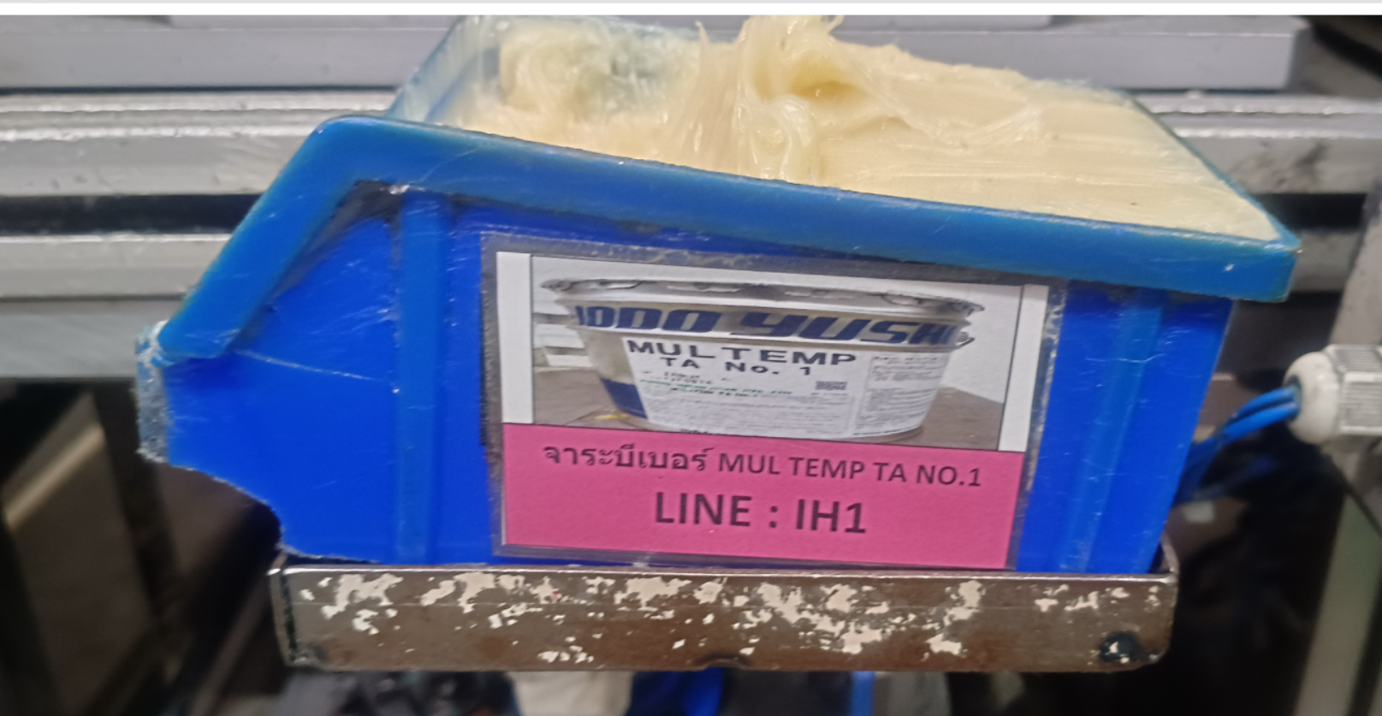
DUR-S1 |  | RAIL SUB ASSY, FR OUT SEAT TRACT RH | DUR-S
DUR-S2 |  |  | DUR-S
DUR-S3 |  |  | DUR-S
DUR-S4 |  |  | DUR-S
DUR-S5 |  |  | DUR-S
DUR-S6 | 72105-X7V61 |  | DUR-S
DUR-S7 | 72107-X7V28 | RAIL SUB ASSY, FR INN SEAT TRACT LH (M6) | DUR-S
DUR-S8 | 72107-X7V26 | RAIL SUB ASSY, FR INN SEAT TRACT RH (M6) | DUR-S
DUR-S9 |  |  | DUR-S
DUR-S10 |  |  | DUR-S
DUR-S11 |  | RAIL SUB ASSY, FR INN SEAT TRACT LH (M6) | DUR-S
DUR-S12 |  | RAIL SUB ASSY, FR INN SEAT TRACT LH (M6) | DUR-S

STT001 | SOLVEST-114-00 | SOLVEST114 (20 kg./Pail) | SURFACE TREATMENT | IF2 R / IF 2 L | RR/ TOGO
SOJ602 | GREAS-MA021 | GREASE MULTEMP TA NO1 (15Kg.) | SOJITZ | IFJR1 / IFJL1 / IFJR2 / IFJL2 / IFJR3 / IFJL3
 |  |  |  | TFL / IFBR / IFBL

RR
 |  |  |  |  |  |  |  |  |  |  |  |  |  |  |  |  |  |  |  | 2025-05-14
PRODUCTION PLAN 600T

Functions Press | Plan | Coil Sparc | SD CODE | PRODUCT NO. | SUPPLIER | PART NO. | SD COIL | PART NO. | MATERIAL SPEC |  |  |  | Weight Coil | SHOT/ | WEIGHT | Coil Used |  | PD Lot | PD Plan | Shot | Coil Used/KG
 |  |  |  |  | CODE |  |  |  | Usage | T | W | P |  |  | PART
 | 2 |  | TGP-01 | I32-77 |  | 72515-X7V15 | HAN122 | SPC59-14163 | 1 | 1.4 | 163 | 86 | 1327 | 2 | 0.077 | 2 |  | 26,000 | 34,455 | 17,227 | 2,654 | 0.07702891 | 使用数/リク1個 | 材質 | T | W | P | CAV. | kg/リク1個 | 2
 | 3 |  | TGP-02 | I32-84 |  | 72524-X7V44 | HAN121 | SPH59-36150 | 1 | 3.6 | 150 | 75 | 1071 | 2 | 0.159 | 3 |  | 13,012 | 20,212 | 10,106 | 3,213 | 0.1589625 | 1 | SPH-590-OD | 3.6 | 150 | 75 | 2 | 0.1589625 | 3
 |  |  | TGP-03 | I32-83 |  | 72523-X7V47 | HAN121 | SPH59-36150 | 1 | 3.6 | 150 | 75 | 1071 | 2 | 0.159 | 3 |  | 13,012 | 20,212 | 10,106 | 3,213 | 0.1589625 | 1 | SPC590 | 1.4 | 163 | 85.8 | 2 | 0.076849773 | 3
 |  |  | TGP-04 | I32-82 |  | 72531-X7V16 | HAN125 | S28CBA-29136 | 1 | 2.9 | 136 | 69 | 1026 | 2 | 0.107 | 3 |  | 13,012 | 28,817 | 14,408 | 3,078 | 0.10681338 | 1 | S28C-B-A | 2 | 75 | 39 | 2 | 0.02296125 | 3
 |  |  | TGP-05 | I32-81 |  | 72531-X7V13 | HAN125 | S28CBA-29136 | 1 | 2.9 | 136 | 69 | 1026 | 2 | 0.107 | 3 |  | 13,012 | 28,817 | 14,408 | 3,078 | 0.10681338 | 2 | S28C-B-A | 2.6 | 142 | 46 | 4 | 0.06665906 | 3
SET | 7 |  | TGP-06 | I32-74 | DTT020 | 72534-X7V10 | HAN124 | S28CBA-26142 | 1 | 2.6 | 142 | 46 | 1000 | 4 | 0.033 | 4 | 0.008 | 40,000 | 120,014 | 30,003 | 4,000 | 0.03332953 | 1 | S28C-B-A | 2.6 | 142 | 46 | 4 | 0.03332953 | 4
 |  |  | TGP-07 | I32-73 | DTT019 | 72533-X7V10 | HAN124 | S28CBA-26142 | 1 | 2.6 | 142 | 46 | 1000 | 4 | 0.033 |  |  | 40,000 | - | - | - | 0.03332953 | 1 | S28C-B-A | 2.9 | 136 | 69 | 2 | 0.10681338 | 4
 | 6 |  | TGP-08 | I32-76 | DTT022 | 72534-X7V11 | HAN124 | S28CBA-26142 | 2 | 2.6 | 142 | 46 | 1000 | 4 | 0.067 | 3 |  | 80,000 | 45,005 | 11,251 | 3,000 | 0.06665906 |  |  |  |  |  |  |  | 5
 | 5 |  | TGP-09 | I32-75 | DTT021 | 72533-X7V11 | HAN124 | S28CBA-26142 | 2 | 2.6 | 142 | 46 | 1000 | 4 | 0.067 | 3 |  | 80,000 | 45,005 | 11,251 | 3,000 | 0.06665906 |  |  |  |  |  |  |  | 5
SET | 8 |  | TGP-10 | I32-79 | DTT018 | 72537-X7V10 | HAN123 | S28CBA-2075 | 1 | 2.0 | 75 | 39 | 500 | 2 | 0.023 | 4 |  | 40,000 | 87,103 | 43,552 | 2,000 | 0.02296125 |  |  |  |  |  |  |  | 4
 |  |  | TGP-11 | I32-78 | DTT017 | 72535-X7V01 | HAN123 | S28CBA-2075 | 1 | 2.0 | 75 | 39 | 500 | 2 | 0.023 |  |  | 40,000 | - | - | - | 0.02296125
 |  |  | N32-02 | N32-02 |  | 72531-X1C02 | HAN034 | S28CBA-4376 | 1 | 4.3 | 76 | 78 | 576 | 1 | 0.200 | 5 |  | 12,834 | 14,393 | 14,393 | 2,880 |  |  |  |  |  |  |  |  | 6
 | 4 |  | N32-18 | N32-18 |  | 72523-X1M06 | HAN033 | SPH44-4384 | 1 | 4.3 | 84 | 86 | 600 | 1 | 0.244 | 6 |  | 12,834 | 14,763 | 14,763 | 3,600 |  |  |  |  |  |  |  |  | 7
 |  |  | N32-27 | N32-27 |  | 72513-X1F00 | HAN032 | SPH27-14190-1 | 1 | 1.4 | 190 | 100 | 1000 | 2 | 0.104 | 3 |  | 12,834 | 28,734 | 14,367 | 3,000 |  |  |  |  |  |  |  |  | 2
 | 1 |  | N32-28 | N32-28 | DTT001 | 72533-X1Y02 | HAN084 | SPH44-4663 | 1 | 4.6 | 63 | 21 | 400 | 4 | 0.012 | 2 |  | 40,000 | 66,983 | 16,746 | 800 |  |  |  |  |  |  |  |  | 3
 |  |  | N32-29 | N32-29 | DTT002 | 72534-X1Y02 | HAN084 | SPH44-4663 | 1 | 4.6 | 63 | 21 | 400 | 4 | 0.012 | 2 |  | 40,000 | 66,983 | 16,746 | 800 |  |  |  |  |  |  |  |  | 3
คิวทึ่ 8 ต่อกะ ปัมต่อ ของวันที่ 13/05/2025
 |  |  | N32-05 | N32-05 | DTT003 | 72537-X1F00 | HAN037 | SPH44-4694 | 1 | 4.6 | 94 | 48 | 500 | 4 | 0.041 | 4 |  | 40,000 | 49,101 | 12,275 | 2,000 |  |  |  |  |  |  |  |  | 3

 |  |  | TGP-01 |  |  | 72515-X7V15 | HAN122 |  |  |  |  |  | 1288 | 2 | 0.077 | 1 |  | 24085 | 16721 | 8360 | 1288
 |  |  | TGP-02 |  |  | 72524-X7V44 | HAN121 |  |  |  |  |  | 1046 | 2 | 0.159 | 1 |  | 12000 | 6580 | 3290 | 1046
 |  |  | TGP-03 |  |  | 72523-X7V47 | HAN121 |  |  |  |  |  | 1046 | 2 | 0.159 | 1 |  | 12000 | 6580 | 3290 | 1046
 |  |  | TGP-04 |  |  | 72531-X7V16 | HAN125 |  |  |  |  |  | 970 | 2 | 0.107 | 1 |  | 12000 | 9081 | 4541 | 970
 |  |  | TGP-05 |  |  | 72531-X7V13 | HAN125 |  |  |  |  |  | 970 | 2 | 0.107 | 1 |  | 12000 | 9081 | 4541 | 970
 |  |  | TGP-06 |  |  | 72534-X7V10 | HAN124 |  |  |  |  |  | 1039 | 4 | 0.033 | 1 |  | 61200 | 31174 | 7793 | 1039
 |  |  | TGP-07 |  |  | 72533-X7V10 | HAN124 |  |  |  |  |  | 1039 | 4 | 0.033 | 1 |  | 61200 | 31174 | 7793 | 1039
 |  |  | TGP-08 |  |  | 72534-X7V11 | HAN124 |  |  |  |  |  | 1039 | 4 | 0.067 | 1 |  | 63000 | 15587 | 3897 | 1039
 |  |  | TGP-09 |  |  | 72533-X7V11 | HAN124 |  |  |  |  |  | 1039 | 4 | 0.067 | 1 |  | 63000 | 15587 | 3897 | 1039
 |  |  | TGP-10 |  |  | 72537-X7V10 | HAN123 |  |  |  |  |  | 500 | 2 | 0.023 | 1 |  | 86400 | 21776 | 10888 | 500
 |  |  | TGP-11 |  |  | 72535-X7V01 | HAN123 |  |  |  |  |  | 500 | 2 | 0.023 | 1 |  | 86400 | 0 | 0 | 0
 |  |  | N32-02 |  |  | 72531-X1C02 | HAN034 |  |  |  |  |  | 576 | 1 | 0.20009964 | 1 |  | 13000 | 2879 | 2879 | 576
 |  |  | N32-18 |  |  | 72523-X1M06 | HAN033 |  |  |  |  |  | 557 | 1 | 0.24384612 | 1 |  | 13000 | 2284 | 2284 | 557
 |  |  | N32-27 |  |  | 72513-X1F00 | HAN032 |  |  |  |  |  | 1000 | 2 | 0.104405 | 1 |  | 13000 | 9578 | 4789 | 1000
 |  |  | N32-28 |  |  | 72533-X1Y02 | HAN084 |  |  |  |  |  | 410 | 4 | 0.0119433825 | 1 |  | 80000 | 34329 | 8582 | 410
 |  |  | N32-29 |  |  | 72534-X1Y02 | HAN084 |  |  |  |  |  | 410 | 4 | 0.0119433825 | 1 |  | 80000 | 34329 | 8582 | 410
 |  |  | N32-05 |  |  | 72537-X1F00 | HAN037 |  |  |  |  |  | 765 | 4 | 0.04073208 | 1 |  | 45000 | 18781 | 4695 | 765

